R01
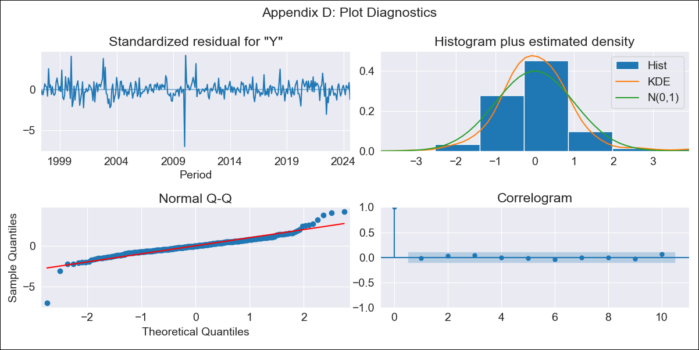
R01 - Inflation - Next 12 months forecast as of: 2024-08-01

Model | ARIMA - [(1, 2, 1), (1, 0, 1, 12)]
Training Data | 1996-01-01 to 2023-09-01
Test Data | 2023-09-01 to 2024-08-01

Date | Inflation Change YoY % | Lower Bound - 95% Confidence Interval | Upper Bound - 95% Confidence Interval
2024-09-01 | 4.18 | 3.72 | 4.63
2024-10-01 | 4.24 | 3.46 | 5.03
2024-11-01 | 4.33 | 3.23 | 5.42
2024-12-01 | 4.3 | 2.9 | 5.7
2025-01-01 | 4.16 | 2.46 | 5.87
2025-02-01 | 4.1 | 2.08 | 6.12
2025-03-01 | 4.17 | 1.83 | 6.51
2025-04-01 | 4.1 | 1.43 | 6.77
2025-05-01 | 4.02 | 1.01 | 7.03
2025-06-01 | 3.98 | 0.62 | 7.34
2025-07-01 | 3.79 | 0.07 | 7.52
2025-08-01 | 3.89 | -0.2 | 7.99
2025-09-01 | 3.91 | -0.43 | 8.25
2025-10-01 | 3.92 | -0.65 | 8.48
2025-11-01 | 3.92 | -0.86 | 8.7
2025-12-01 | 3.9 | -1.08 | 8.89

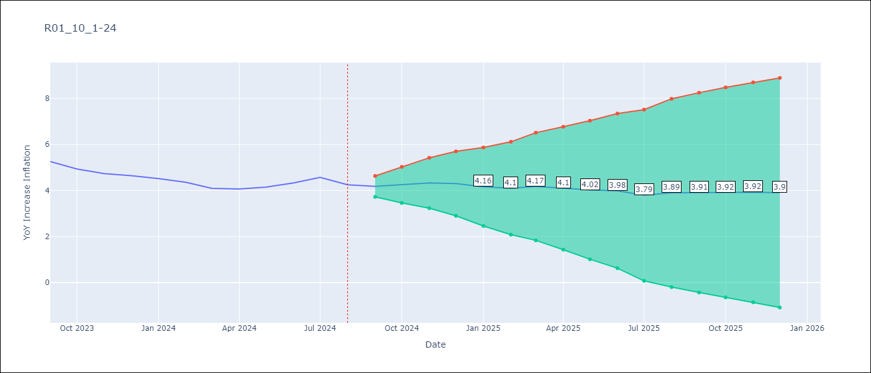

Test Metrics
RMSE | 0.4
Naive RMSE | 0.2
MAPE | 8.61%

Test Predictions
Date | Predicted | Actual
2023-09-01 | 5.28 | 5.26
2023-10-01 | 5.15 | 4.93
2023-11-01 | 5.13 | 4.73
2023-12-01 | 5.08 | 4.64
2024-01-01 | 4.88 | 4.51
2024-02-01 | 4.73 | 4.36
2024-03-01 | 4.64 | 4.1
2024-04-01 | 4.59 | 4.06
2024-05-01 | 4.62 | 4.15
2024-06-01 | 4.77 | 4.33
2024-07-01 | 4.82 | 4.57
2024-08-01 | 4.71 | 4.25

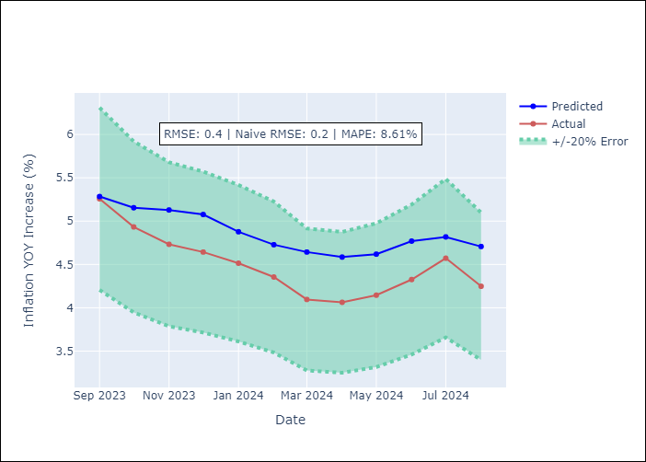

Appendix A: Model Summary
Model | ARIMA(1, 2, 1)x(1, 0, 1, 12)
Sample | 01-01-1996- 08-01-2024
No. of Observations | 344
Terms | P-value (Statistical significance)
ar.L1 | 0.000
ma.L1 | 0.000
ar.S.L12 | 0.000
ma.S.L12 | 0.997
sigma2 | 0.997
Assumptions | P-value

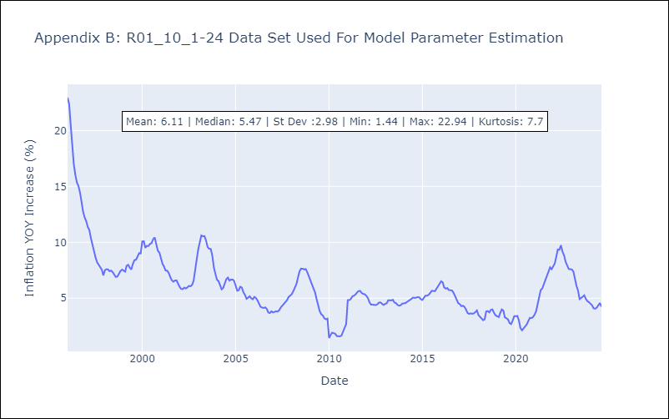

Appendix C: Residuals Analysis
Mean | 0.03

Normal? | No

CEN10
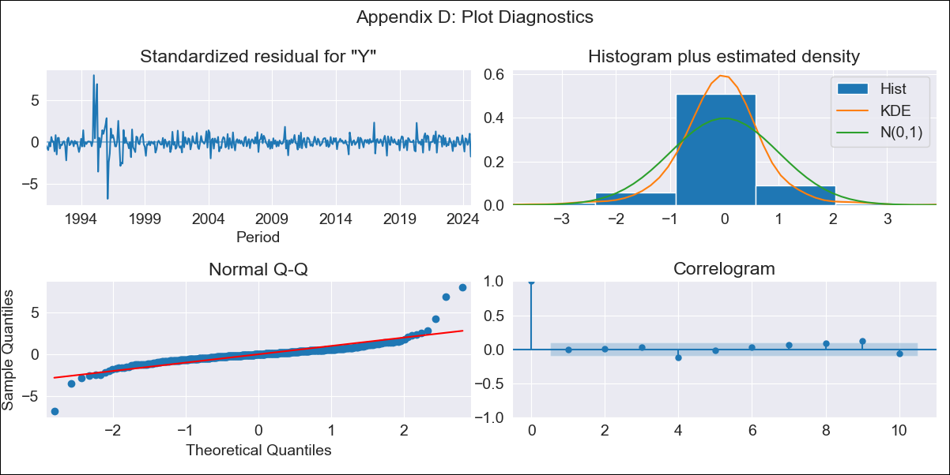
CEN10 - Inflation - Next 12 months forecast as of: 2024-08-01

Model | ARIMA - [(1, 1, 1), (0, 0, 1, 12)]
Training Data | 1990-01-01 to 2023-09-01
Test Data | 2023-09-01 to 2024-08-01

Date | Inflation Change YoY % | Lower Bound - 95% Confidence Interval | Upper Bound - 95% Confidence Interval
2024-09-01 | 3.94 | 3.09 | 4.79
2024-10-01 | 3.73 | 1.96 | 5.49
2024-11-01 | 3.61 | 0.91 | 6.32
2024-12-01 | 3.39 | -0.23 | 7.01
2025-01-01 | 3.24 | -1.25 | 7.74
2025-02-01 | 3.36 | -1.97 | 8.68
2025-03-01 | 3.38 | -2.73 | 9.49
2025-04-01 | 3.33 | -3.51 | 10.18
2025-05-01 | 3.36 | -4.18 | 10.9
2025-06-01 | 3.38 | -4.82 | 11.58
2025-07-01 | 3.21 | -5.61 | 12.03
2025-08-01 | 3.41 | -6 | 12.81
2025-09-01 | 3.58 | -6.28 | 13.43
2025-10-01 | 3.7 | -6.5 | 13.9
2025-11-01 | 3.79 | -6.7 | 14.27
2025-12-01 | 3.85 | -6.88 | 14.59

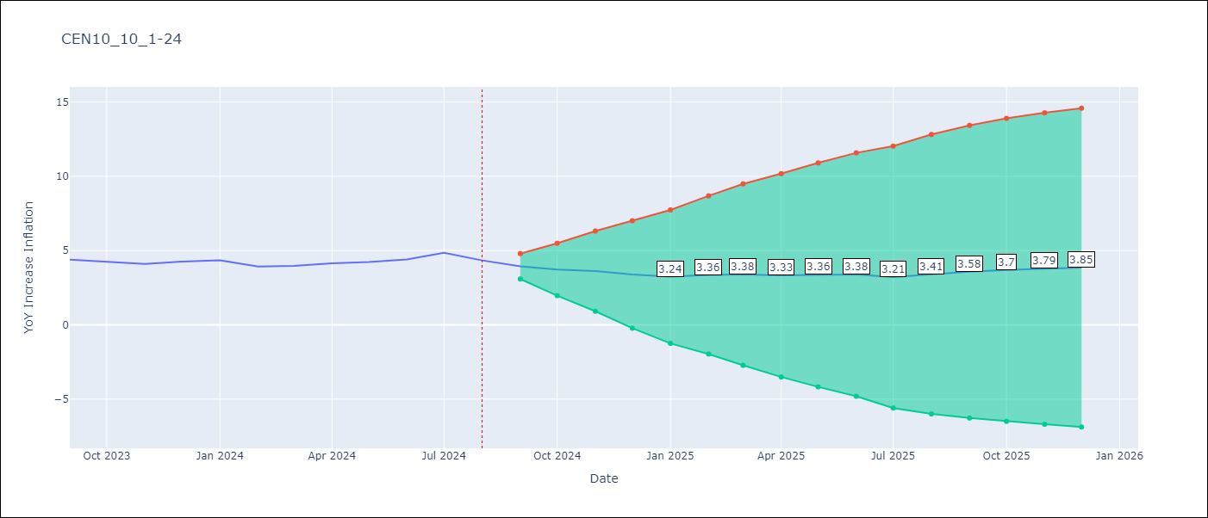

Test Metrics
RMSE | 0.96
Naive RMSE | 0.26
MAPE | 20.24%

Test Predictions
Date | Predicted | Actual
2023-09-01 | 4.5 | 4.39
2023-10-01 | 4.59 | 4.23
2023-11-01 | 4.74 | 4.1
2023-12-01 | 4.77 | 4.26
2024-01-01 | 4.79 | 4.34
2024-02-01 | 4.84 | 3.92
2024-03-01 | 5.09 | 3.97
2024-04-01 | 5.26 | 4.15
2024-05-01 | 5.49 | 4.23
2024-06-01 | 5.75 | 4.4
2024-07-01 | 5.85 | 4.85
2024-08-01 | 5.82 | 4.34

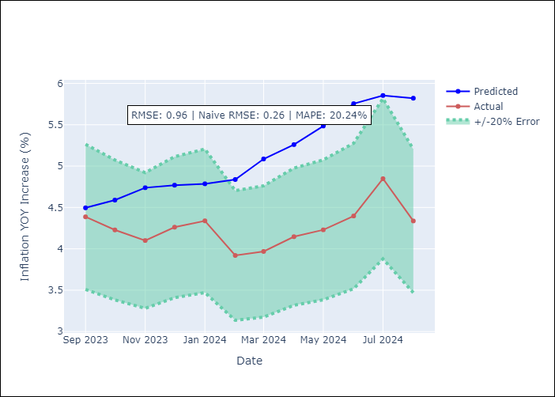

Appendix A: Model Summary
Model | ARIMA(1, 1, 1)x(0, 0, 1, 12)
Sample | 01-01-1990- 08-01-2024
No. of Observations | 416
Terms | P-value (Statistical significance)
ar.L1 | 0.000
ma.L1 | 0.061
ma.S.L12 | 0.000
sigma2 | 0.000
Assumptions | P-value

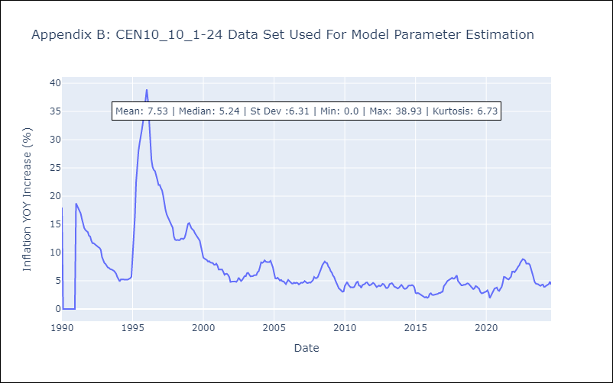

Appendix C: Residuals Analysis
Mean | 0.01

Normal? | No

SUR10
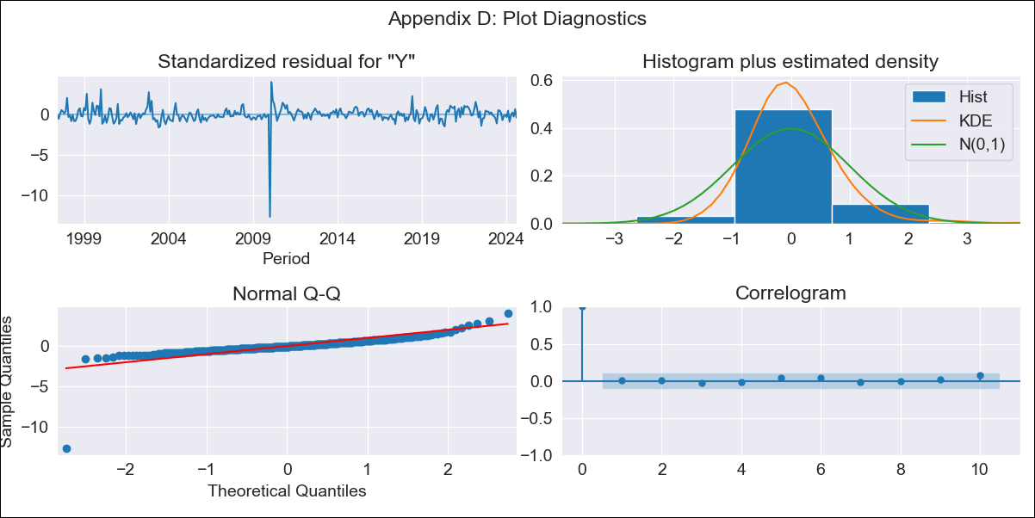
SUR10 - Inflation - Next 12 months forecast as of: 2024-08-01

Model | ARIMA - [(1, 2, 2), (1, 0, 1, 12)]
Training Data | 1996-01-01 to 2023-09-01
Test Data | 2023-09-01 to 2024-08-01

Date | Inflation Change YoY % | Lower Bound - 95% Confidence Interval | Upper Bound - 95% Confidence Interval
2024-09-01 | 4.15 | 3.45 | 4.9
2024-10-01 | 4.28 | 3.18 | 5.51
2024-11-01 | 4.33 | 2.87 | 6
2024-12-01 | 4.35 | 2.57 | 6.47
2025-01-01 | 4.44 | 2.36 | 7.01
2025-02-01 | 4.33 | 2 | 7.28
2025-03-01 | 4.56 | 1.92 | 7.98
2025-04-01 | 4.65 | 1.76 | 8.5
2025-05-01 | 4.63 | 1.53 | 8.87
2025-06-01 | 4.74 | 1.4 | 9.41
2025-07-01 | 4.58 | 1.11 | 9.57
2025-08-01 | 4.65 | 1 | 10.05
2025-09-01 | 4.66 | 0.93 | 10.21
2025-10-01 | 4.67 | 0.89 | 10.35
2025-11-01 | 4.68 | 0.85 | 10.46
2025-12-01 | 4.69 | 0.82 | 10.55

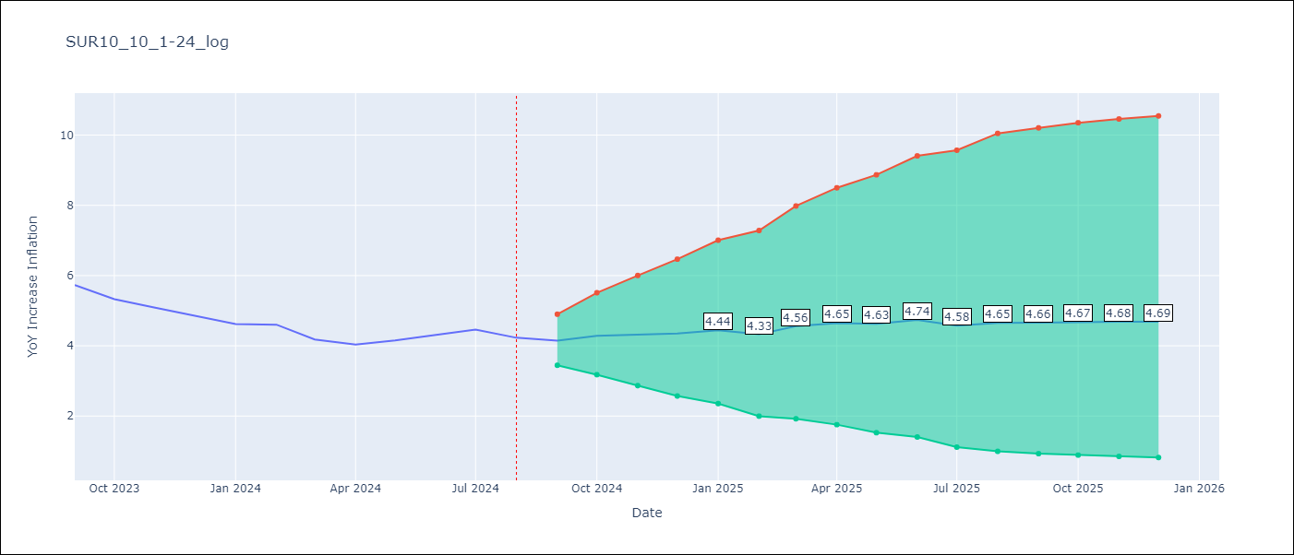

Test Metrics
RMSE | 0.68
Naive RMSE | 0.24
MAPE | 13.82%

Test Predictions
Date | Predicted | Actual
2023-09-01 | 5.65 | 5.73
2023-10-01 | 5.52 | 5.33
2023-11-01 | 5.38 | 5.08
2023-12-01 | 5.24 | 4.86
2024-01-01 | 5.16 | 4.62
2024-02-01 | 5.01 | 4.6
2024-03-01 | 4.94 | 4.18
2024-04-01 | 4.93 | 4.04
2024-05-01 | 5.03 | 4.15
2024-06-01 | 5.34 | 4.31
2024-07-01 | 5.29 | 4.46
2024-08-01 | 5.18 | 4.23

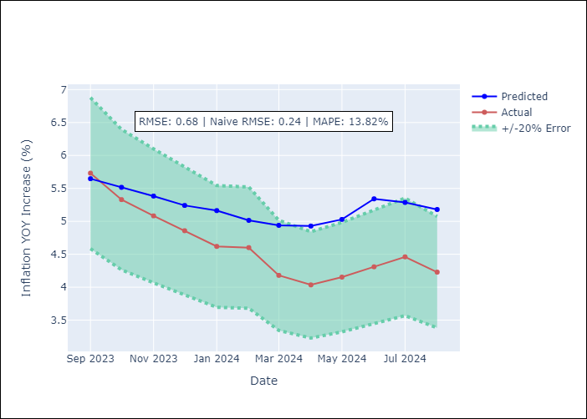

Appendix A: Model Summary
Model | ARIMA(1, 2, 2)x(1, 0, [1], 12)
Sample | 01-01-1996- 08-01-2024
No. of Observations | 344
Terms | P-value (Statistical significance)
ar.L1 | 0.000
ma.L1 | 0.930
ma.L2 | 0.955
ar.S.L12 | 0.323
ma.S.L12 | 0.000
sigma2 | 0.955
Assumptions | P-value

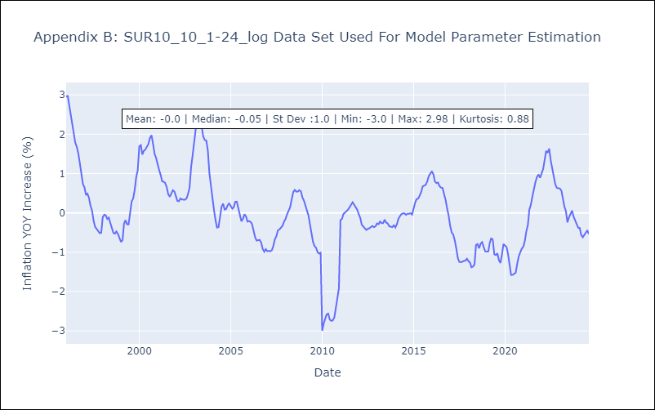

Appendix C: Residuals Analysis
Mean | 0.0

Normal? | No

CAR13
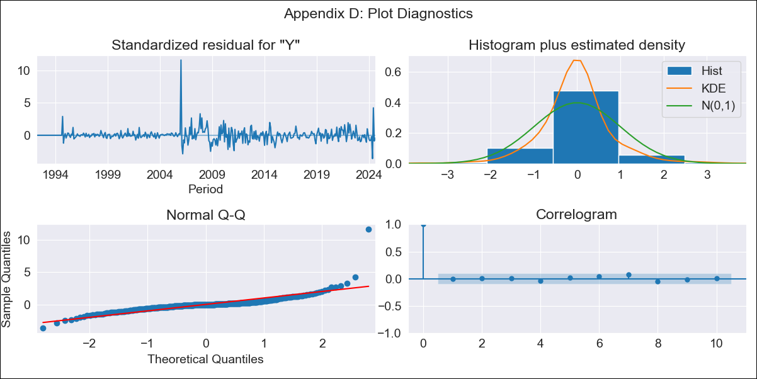
CAR13 - Inflation - Next 12 months forecast as of: 2024-08-01

Model | ARIMA - [(2, 1, 0), (0, 0, 1, 12)]
Training Data | 1991-01-01 to 2023-09-01
Test Data | 2023-09-01 to 2024-08-01

Date | Inflation Change YoY % | Lower Bound - 95% Confidence Interval | Upper Bound - 95% Confidence Interval
2024-09-01 | 2.85 | 1.89 | 3.81
2024-10-01 | 3.07 | 1.6 | 4.54
2024-11-01 | 2.91 | 0.96 | 4.87
2024-12-01 | 2.9 | 0.53 | 5.28
2025-01-01 | 2.99 | 0.24 | 5.75
2025-02-01 | 3.17 | 0.07 | 6.26
2025-03-01 | 3.36 | -0.05 | 6.76
2025-04-01 | 3.46 | -0.23 | 7.15
2025-05-01 | 4.21 | 0.26 | 8.17
2025-06-01 | 3.51 | -0.69 | 7.72
2025-07-01 | 3.72 | -0.72 | 8.16
2025-08-01 | 3.71 | -0.95 | 8.37
2025-09-01 | 3.75 | -1.03 | 8.52
2025-10-01 | 3.75 | -1.13 | 8.63
2025-11-01 | 3.76 | -1.21 | 8.72
2025-12-01 | 3.76 | -1.28 | 8.8

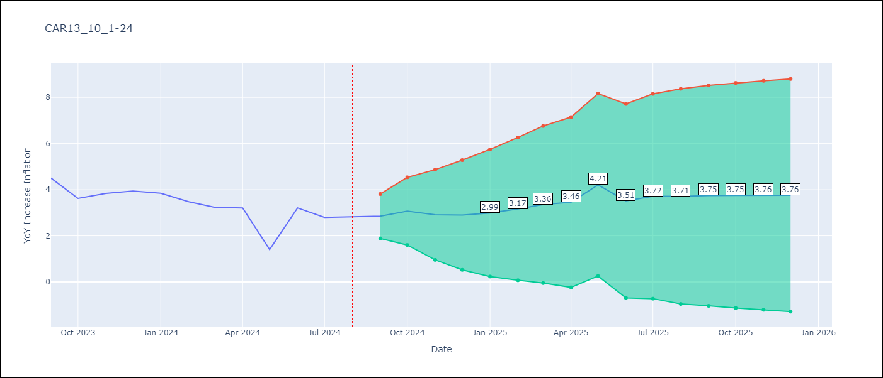

Test Metrics
RMSE | 1.82
Naive RMSE | 0.8
MAPE | 60.03%

Test Predictions
Date | Predicted | Actual
2023-09-01 | 4.77 | 4.5
2023-10-01 | 4.46 | 3.62
2023-11-01 | 4.32 | 3.84
2023-12-01 | 4.4 | 3.94
2024-01-01 | 4.54 | 3.85
2024-02-01 | 4.62 | 3.48
2024-03-01 | 4.85 | 3.23
2024-04-01 | 5.07 | 3.21
2024-05-01 | 5.17 | 1.41
2024-06-01 | 5.21 | 3.21
2024-07-01 | 5.31 | 2.8
2024-08-01 | 5.32 | 2.82

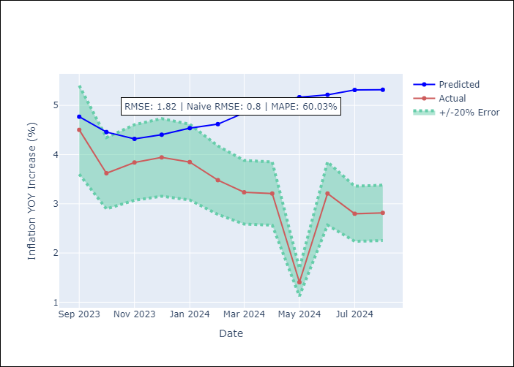

Appendix A: Model Summary
Model | ARIMA(2, 1, 0)x(0, 0, [1], 12)
Sample | 01-01-1991- 08-01-2024
No. of Observations | 404
Terms | P-value (Statistical significance)
ar.L1 | 0.000
ar.L2 | 0.000
ma.S.L12 | 0.000
sigma2 | 0.000
Assumptions | P-value

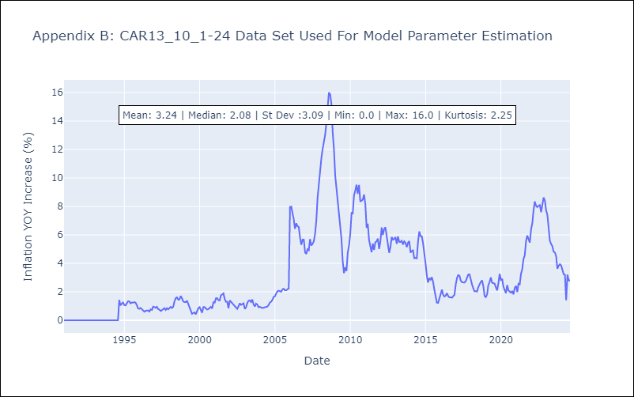

Appendix C: Residuals Analysis
Mean | 0.01

Normal? | No

